Sheet1
Network is fully connected
CA3e background noise only
Column1 | True LFPs (Ca3 only) | True LFPs (all cells) | Binned LFPs (all cells) | Target Plots (from Ali's paper)
Experiment 0 | 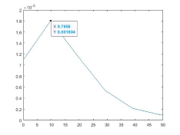 | 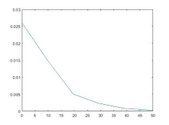 | 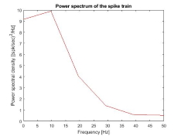 | 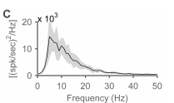
Experiment A | 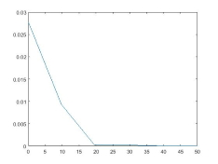 | 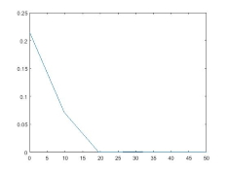 | 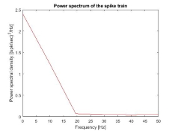 | 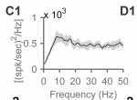
EC -> CA3e connections
CA3 background noise
Experiment B |  | 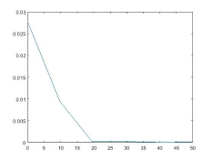 | 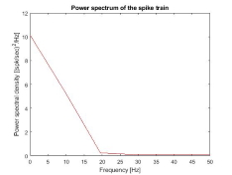 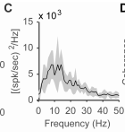
CA3e recurrent connections
CA3e background noise
Experiment C | 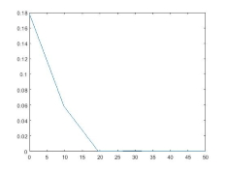 | 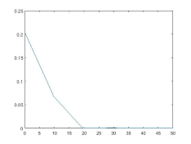 | 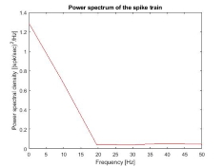 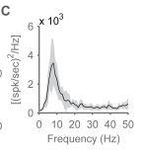
CA3o -> Ca3e connections
CA3e Recurrent connections
CA3e background connections
<- I dont think this experiment was used in Ali's paper. The closest one too it did not have CA3 recurrent connections enabled.
Experiment D | 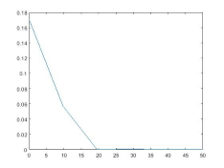 | 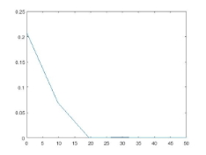 | 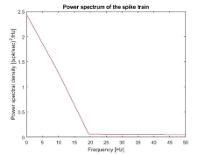
CA3e -> CA3b connections
CA3b -> CA3e connections
CA3e background noise
<- need to check that this experiment implements double connectivity and short term depression.
Experiment E | 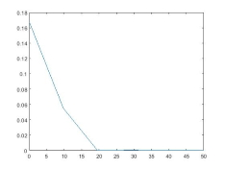 | 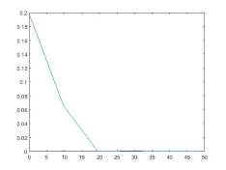 | 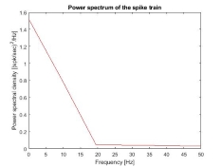 | 